Sheet1
input/action

 | output

 |  |  |  |  | Controller |  | Dao

 |  | Insert
Database

 |  | Delete

 |  | update

 |  | select

hibernate.cfg.xml
 |  |  |  |  |  |  |  | Hibernate

 |  |  |  | Controller |  | DAOInterface

insert()
update()
select()
delete()
Database

Insert,delete,update, select

DAOImpl

what is IP address of database system.
what is the database name
what is the port number of database s/w
what is uname and password
what are the protocols that we need to use to connect with database

 |  |  |  |  |  |  |  | XML

<students>
<Student>
<sid>101</sid>
<sname>Nagul</sname>
<mobile> 10032237632</mobile>
</student>
<student>
<sid>102</sid>
<sname>Praveen</sname>
<mobile> 92879767683</mobile>
</student>
</students>

Step 1: create spring starter project in STS
Step 2: add hibernate core and mysql dependencies (Maven Repository: Search/Browse/Explore (mvnrepository.com))
Step 3: create hibernate.cfg.xml file in Resources folder. and add database configuration
step 4: create package strucure
--> controller
--> entity
--> dao
Step 5: create Student class in entity package.
Step 6: create Dao (Interface) and DAOImple class in dao package
Step 7: create abstract methods in Dao interface.
1. public boolean addStudent(Student std);
2. public boolean deleteStudentById(int id);
3. public Student updateStudentbyId(int id);
4. public Student getStudentbyId(int id);
Step 8: override the above 4 method in DaoImpl class and write the logic in each method.

 |  |  | Entity :Student

 |  |  |  |  | Controller |  | DAOInterface

insert()
update()
select()
delete()
Database

Insert,delete,update, select

DAOImpl

How to import existing maven project into STS

1. Go to file menu and select import option.
Step2: select Existing Maven Projects and click next
Step 3: Browse project folder and click finish
Step1
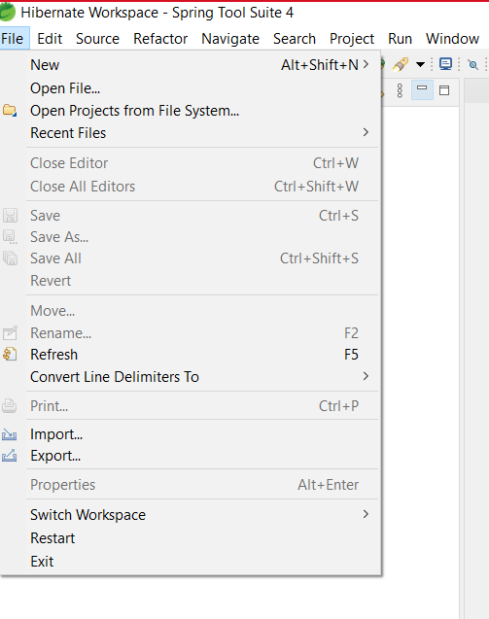
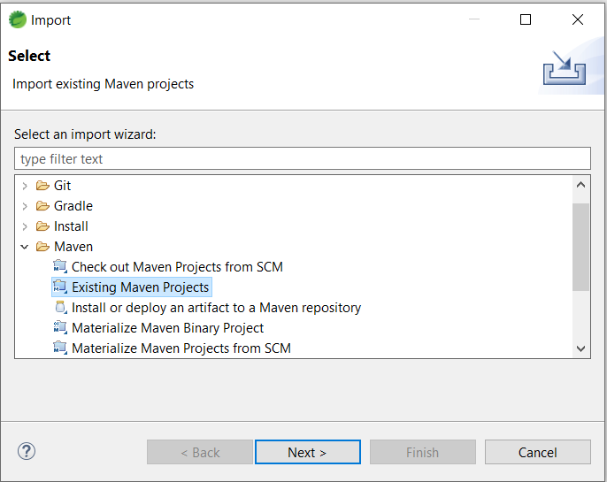
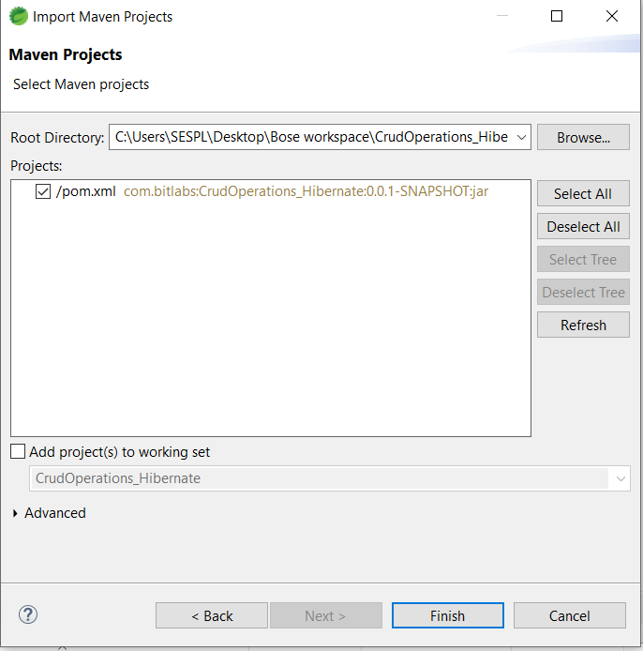

<property name="hbm2ddl.auto">update</property>
vs
<property name="hbm2ddl.auto">create</property>

